Data Sources
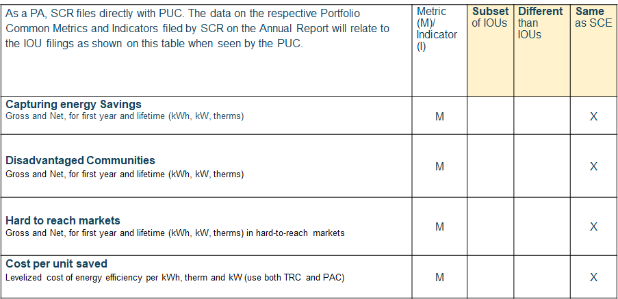
Multi-PA Reporting Data Relationship; Portfolio

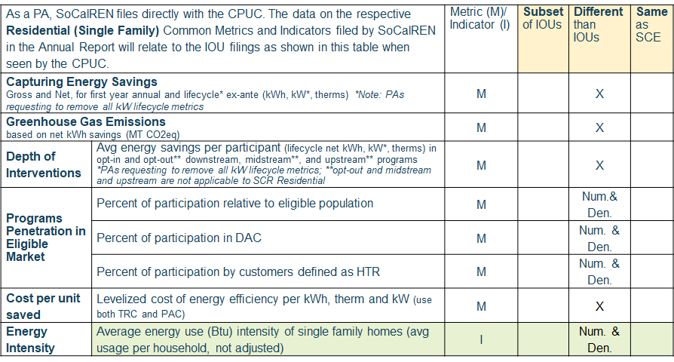
Multi-PA Reporting Data Relationship; Residential SFm

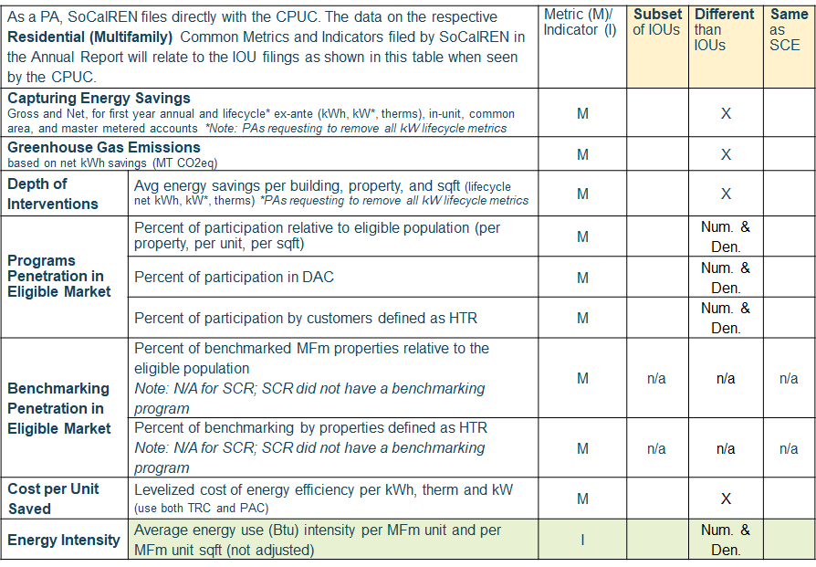
Multi-PA Reporting Data Relationship; Residential MFm

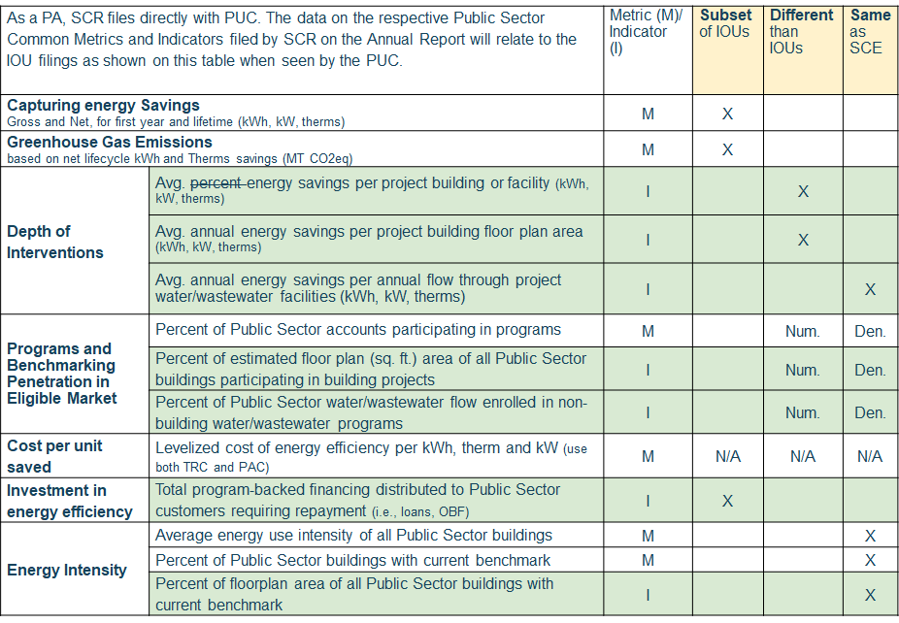
Multi-PA Reporting Data Relationship; Public Sector

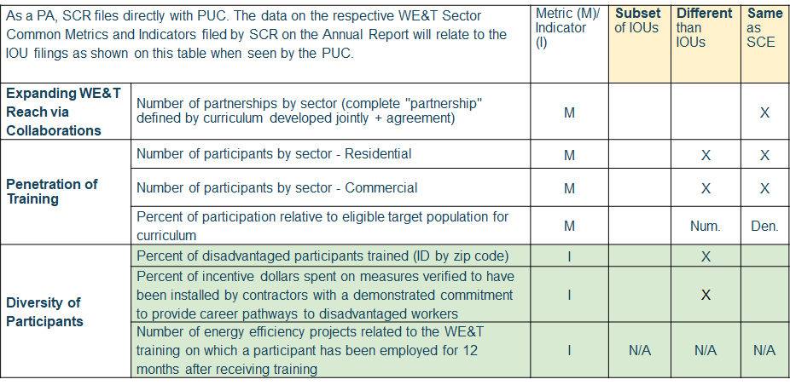
Multi-PA Reporting Data Relationship; WE&T Sector

